Instructions
2015-16 OSPI-approved SES Providers

Build a List of Providers that Work in Your District — Statewide + District Specific

Statewide List | SES Providers that Work Statewide
1 | Click Statewide. We have frozen column A to make the spreadsheet easier to navigate left to right.
2 | Copy the list of SES providers that work in every school district.

District Specific List | SES Providers that Work in Specific Districts Only
1 | Click District Specific.
3 | Find your district and click. We have frozen column A to make the spreadsheet easier to navigate left to right.
4 | Copy the list of providers that work in your district.
5 | If you return to the Statewide list -- cursor at the top of column A, then clear your district filter BEFORE you click Statewide. Picture below.
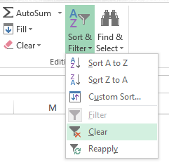
Combine Your Copied Lists — Statewide + District Specific

